UI Mockups
User Story Card - UI Mockup

1. Policy Contacts screen 'Edit' button
Proposed UI |  |  |  | Baseline (OOTB view)

2. Policy Contacts, Contacts table
Proposed UI |  |  |  | Baseline (OOTB view)

 |  |  |  | CPBuildingPopup.pcf

3. Policy Contacts, screen overview
Proposed UI |  |  |  | Baseline (OOTB view)
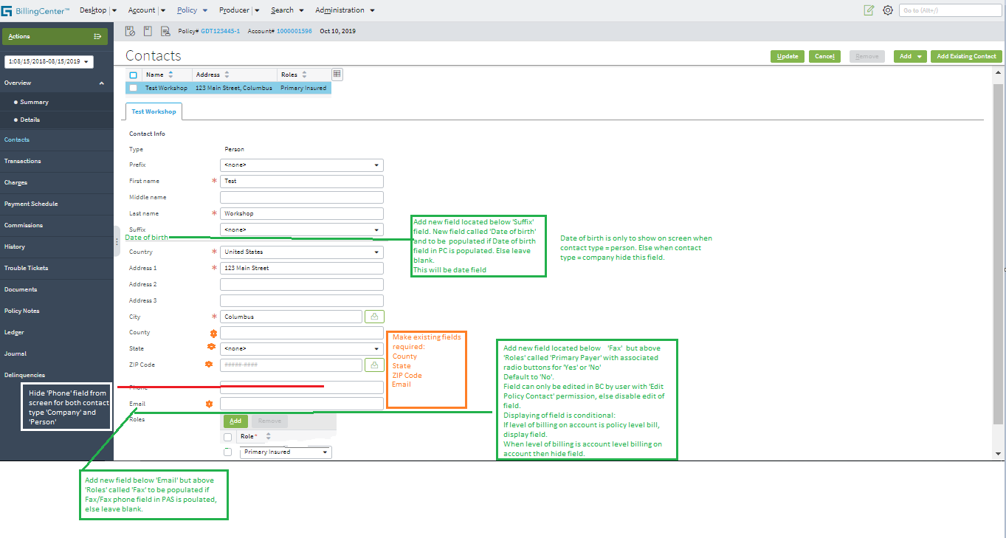
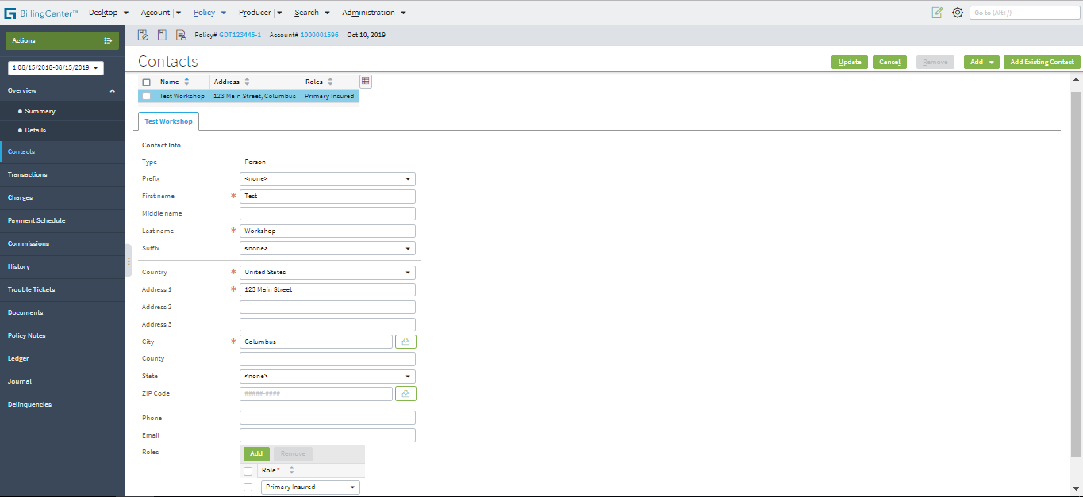

4. Policy Contacts screen, Phone/fax fields
Proposed UI | To be put in the place of hidden 'Phone' field, below Zip Code but above Email. |  |  | Baseline (OOTB view)

When Contact type = 'Company' |  |  | When Contact type = 'Person' | When Contact type = 'Company' | When Contact type = 'Person'
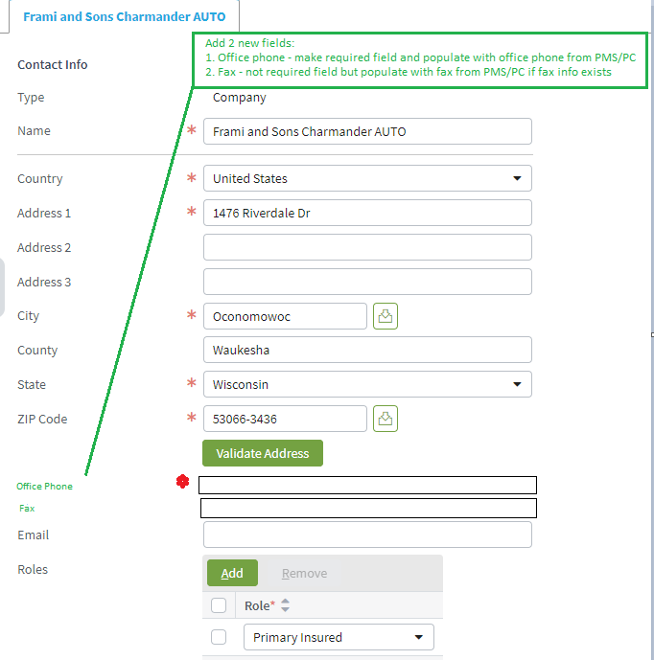
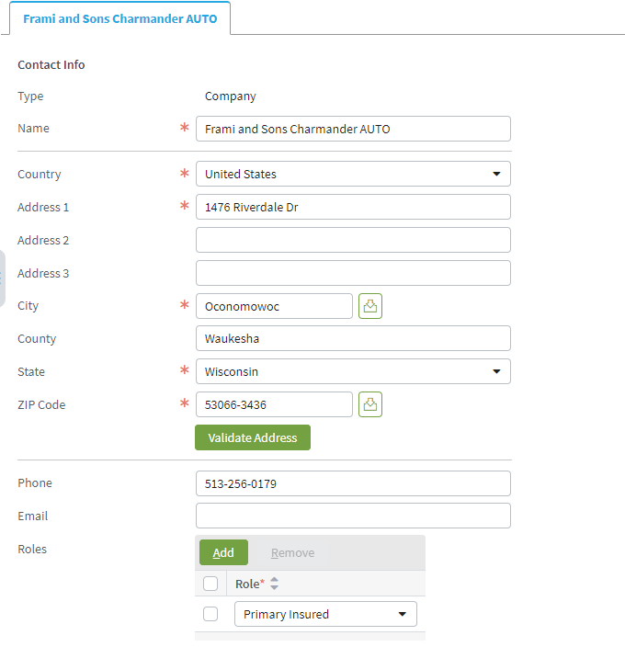
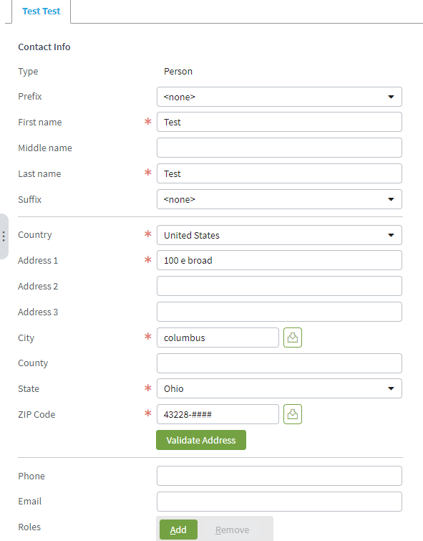
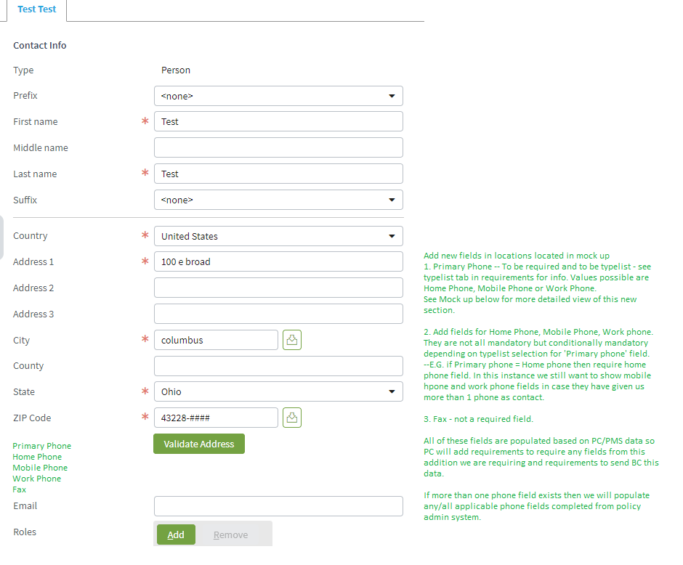

 |  | ZOOM IN ON PHONE AREA FOR CONTACT TYPE = PERSON
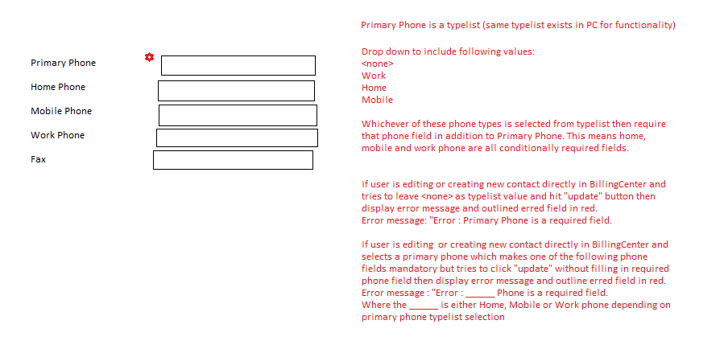

 |  | Example of PC

